Sheet1
 |  | Mix 3213
Ean No. | Brand | Description |  | Size | Gender | QTY | Price |  | Your Price | Retail Price
812256020318 | Ariana Grande | Ari | Edp sp | 50 ml | Women | 1500 | CHF 19.20 |  |  | CHF 59.95 | 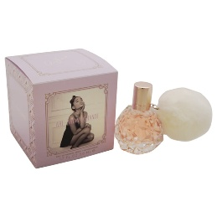
812256023296 | Ariana Grande | Cloud | Edp sp | 50 ml | Women | 1700 | CHF 27.50 |  |  | CHF 85.90
812256028482 | Ariana Grande | God is Woman | Edp sp | 50 ml | Women | 2400 | CHF 21.70 |  |  | CHF 64.95
812256021728 | Ariana Grande | Sweet Like Candy | Edp sp | 50 ml | Women | 1500 | CHF 20.50 |  |  | CHF 59.95
812256024286 | Ariana Grande | Grande Thank u Next | Edp sp | 50 ml | Women | 2400 | CHF 21.70 |  |  | CHF 59.95 | 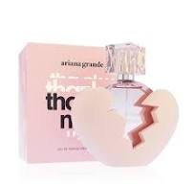
3614273636568 | Armani | Code Men | Edt sp Refilable | 75 ml | Men | 1800 | CHF 39.00 | Great price | CHF 74.90 | CHF 155.00
88300104406 | Calvin Klein | CK Be | Edt sp | 100 ml | Men | 1200 | CHF 13.90 |  | CHF 29.90 | CHF 89.00 | 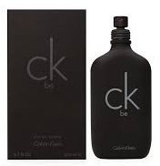
88300104437 | Calvin Klein | CK Be | Edt sp | 200 ml | Man | 1200 | CHF 17.20
8057971183500 | Dolce & Gabbana | Light Blue Summer Vibes Women | Edt sp | 100 ml | Women | 2400 | CHF 30.50 |  |  | CHF 154.90
737052130729 | Hugo Boss | Hugo XX | Edt sp | 100 ml | Women | 2400 | CHF 17.50 |  | CHF 39.90 |  | 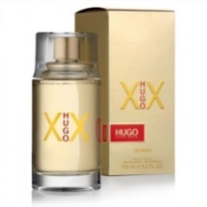
737052130934 | Hugo Boss | Hugo XY | Edt sp | 100 ml | Men | 2400 | CHF 17.50 |  | CHF 39.90 |  | 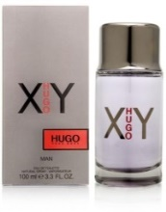
8435415011310 | Jean Paul Gaultier | Classique | Edt sp | 50 ml | Women | 920 | CHF 37.00 |  | CHF 69.90 | CHF 134.00 | 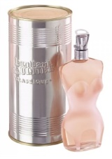
8435415017237 | Jean Paul Gaultier | La Belle | Edp sp | 30 ml | Women | 1300 | CHF 32.50 |  |  | CHF 116.90 | 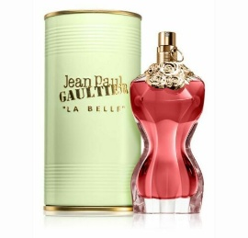
3386460101035 | Mont Blanc | Explorer | Edp sp | 100 ml | Men | 3600 | CHF 30.20 |  | CHF 49.90 | CHF 105.00 | 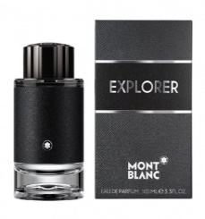
3349668588688 | Paco Rabanne | Olympea Blossom | Edp sp | 50 ml | Women | 2400 | CHF 28.00 |  |  | CHF 164.00
3349668021345 | Paco Rabanne | Paco Rabanne Pour Homme | Edt sp | 100 ml | Men | 2400 | CHF 24.20 |  | CHF 49.90 | CHF 113.00 |  | Next Delivery on Nov.
3349668576128 | Paco Rabanne | Black XS Men | Edt sp | 50 ml | Men | 2600 | CHF 28.50 |  | CHF 49.90 | CHF 84.90 | 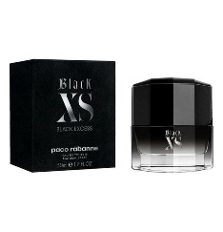
3614273760652 | Prada | Paradoxe | Edp sp | 50 ml | Women | 1600 | CHF 52.00 |  | CHF 79.90 | CHF 174.00 | 